Quarterly Average method
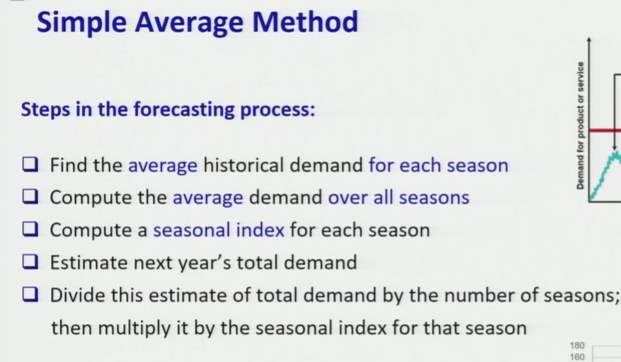
Year | Q1 | Q2 | Q3 | Q4 | total sales | total average
1999 | 18 | 27 | 23 | 14 | 82 | 22.25 |  |  | step 1: avg of each quarter
2000 | 17 | 30 | 20 | 13 | 80 |  |  |  | step 2: global average
2001 | 21 | 26 | 23 | 20 | 90 |  |  |  | step 3: seasonal index
2002 | 21 | 29 | 26 | 16 | 92 |  |  |  | step 4: prediction of next year total demand using y=mx+c
2003 | 19 | 28 | 22 | 14 | 83 |  |  |  | step: 5
2004 | 22 | 30 | 26 | 16 | 94
2005 | 24 | 32 | 24 | 19 | 99
2006 | 21 | 29 | 29 | 13 | 92
average | 20.375 | 28.875 | 24.125 | 15.625
index | 0.91573033708 | 1.297752809 | 1.0842696629 | 0.70224719101 |  |  | Sum (since we have 4 quarter) | 4
 |  |  |  |  |  |  | for monthly data sum of seasonal should be 12
 |  |  |  | straightline prediction
2007 | 24.5 | 24.5 | 24.5 | 24.5 | 98 | say using regression
2007? | 22.435393258 | 31.79494382 | 26.564606742 | 17.20505618 |  | final forecast
2008 | 25 | 25 | 25 | 25 | 100 | using regression straightline prediction
2008? | 22.893258427 | 32.443820225 | 27.106741573 | 17.556179775 |  | final forecast

Seasonality & Trend Holt's Mod
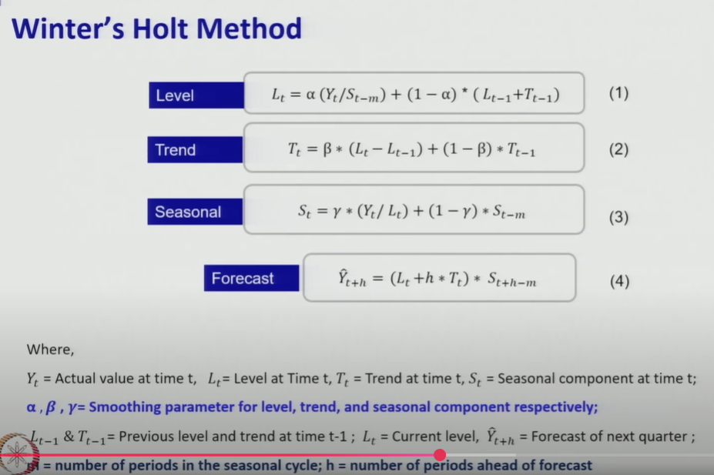
Year | Quarter | Sales | Level | Trend | Seasonal Index | Forecast | Error | Absolute Error | Squared Error
 | 1 | 108 |  |  | 0.82442748092
 | 2 | 125 |  |  | 0.95419847328 |  |  |  |  | Alpha | 0.81570090005
1 | 3 | 150 |  |  | 1.1450381679 |  |  |  |  | Beta | 0.73204181728
 | 4 | 141 | 131 |  | 1.0763358779 |  |  |  |  | Gamma | 0.77937897868
 | 5 | 116 | 140.7037037 | 9.7037037037 | 0.82442748092 | 124
2 | 6 | 134 | 142.27045861 | 3.7471169167 | 0.94458840375 | 137.92650858 | -3.9265085834 | 3.9265085834 | 15.417469656
 | 7 | 159 | 140.17913473 | -0.52686589421 | 1.1366401958 | 158.73438219 | 0.26561781114 | 0.26561781114 | 0.070552821594
 | 8 | 152 | 140.93095285 | 0.40918428098 | 1.0780555499 | 152.37251926 | -0.37251926172 | 0.37251926172 | 0.13877060035
 | 9 | 123 | 147.74690268 | 5.0992045705 | 0.83072274374 | 126.97273758 | -3.9727375822 | 3.9727375822 | 15.782643897
3 | 10 | 142 | 150.79373812 | 3.5967845433 | 0.94232451159 | 145.48597386 | -3.4859738602 | 3.4859738602 | 12.152013754
 | 11 | 168 | 149.01791352 | -0.33619001415 | 1.1294239596 | 167.92470089 | 0.075299113946 | 0.075299113946 | 0.0056699565611
 | 12 | 165 | 152.24765304 | 2.2742195172 | 1.0825019061 | 167.27022157 | -2.2702215689 | 2.2702215689 | 5.1539059717
 | 13 |  |  |  | 1 | 128.36483393
4 | 14 |  |  |  | 2 | 147.75280088
 | 15 |  |  |  | 3 | 179.65782117
 | 16 |  |  |  | 4 | 174.65576246
 |  |  |  |  |  |  |  | MAD | MSE
 |  |  |  |  |  |  |  | 2.0526968259 | 6.9601466653
 |  |  |  |  |  |  |  |  | RMSE
 |  |  |  |  |  |  |  |  | 2.6382089882

Multiplicative Decomposition Me
Year | Quarter | Sales |  |  | CMA | CMA | Dummy Index | Seasonal Index | Seasonal Index | final index | 3rd Step ( Deseasonalize data line ) | Step 5: (Seasonal adjustment) |  | Regression | Final Forecast decomposition method | error | squared error
1 | 1 | 108 |  |  |  |  |  |  |  | 0.84907050166 | 127.19791795 |  |  | 127.11870715 | 107.93274445 | 0.067255549252 | 0.0045233089051
 | 2 | 125 |  |  |  |  |  |  |  | 0.96258349419 | 129.85886498 |  |  | 129.46213882 | 124.61811796 | 0.38188204487 | 0.14583389619
 | 3 | 150 | 131 |  | 132 | 132 | 1.1363636364 | 1.131512199 | 1.1314375797 | 1.131512199 | 132.56595919 |  |  | 131.8055705 | 149.13961092 | 0.86038907794 | 0.74026936544
 | 4 | 141 | 133 | 133 | 134.125 | 134.125 | 1.0512581547 | 1.0570976088 | 1.0570278968 | 1.0570976088 | 133.38408755 |  |  | 134.14900217 | 141.80858942 | -0.80858942282 | 0.65381685469
2 | 5 | 116 | 135.25 | 135.25 | 136.375 | 136.375 | 0.85059578368 | 0.84907050166 | 0.84901450836 | 0.84907050166 | 136.61998594 |  |  | 136.49243385 | 115.89169928 | 0.10830072045 | 0.011729046051
 | 6 | 134 | 137.5 | 137.5 | 138.875 | 138.875 | 0.96489648965 | 0.96258349419 | 0.9625200151 | 0.96258349419 | 139.20870325 |  |  | 138.83586552 | 133.64111255 | 0.35888744758 | 0.12880020003
 | 7 | 159 | 140.25 | 140.25 | 141.125 | 141.125 | 1.1266607617 |  |  | 1.131512199 | 140.51991674 |  |  | 141.1792972 | 159.74609703 | -0.74609702992 | 0.55666077806
 | 8 | 152 | 142 | 142 | 143 | 143 | 1.0629370629 |  |  | 1.0570976088 | 143.78993835 |  |  | 143.52272887 | 151.7175335 | 0.28246650036 | 0.079787323826
3 | 9 | 123 | 144 | 144 | 145.125 | 145.125 | 0.84754521964 |  |  | 0.84907050166 | 144.86429544 |  |  | 145.86616054 | 123.85065411 | -0.85065410834 | 0.72361241204
 | 10 | 142 | 146.25 | 146.25 | 147.875 | 147.875 | 0.96027049873 |  |  | 0.96258349419 | 147.51967061 |  |  | 148.20959222 | 142.66410715 | -0.66410714971 | 0.4410383063
 | 11 | 168 | 149.5 | 149.5 | 149.5 |  |  |  |  | 1.131512199 | 148.47387429 |  |  | 150.55302389 | 170.35258314 | -2.3525831378 | 5.5346474202
 | 12 | 165 |  |  |  |  |  |  |  | 1.0570976088 | 156.08776202 |  |  | 152.89645557 | 161.62647758 | 3.3735224235 | 11.380653542
4 | 13 | 131.80960894 |  |  |  |  |  | 4.0002638037 | out of 4 | 0.84907050166 | 155.23988724 | 131.80960894 |  | 155.23988724 | 131.80960894
 | 14 | 151.68710175 |  |  |  |  |  |  |  | 0.96258349419 | 157.58331891 | 151.68710175 |  | 157.58331891 | 151.68710175
 | 15 | 180.95906925 |  |  |  |  |  |  |  | 1.131512199 | 159.92675059 | 180.95906925 |  | 159.92675059 | 180.95906925
 | 16 | 171.53542165 |  |  |  |  |  |  |  | 1.0570976088 | 162.27018226 | 171.53542165 |  | 162.27018226 | 171.53542165
 |  |  |  |  |  |  |  |  |  |  |  |  |  |  |  |  | MSE
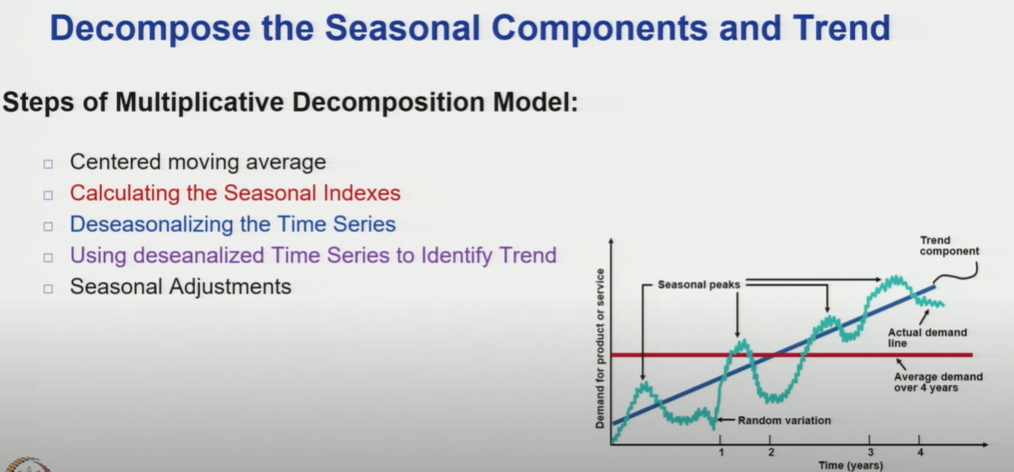
 |  |  |  |  |  |  |  |  |  |  |  |  |  |  |  |  | 1.7001143712
 |  |  |  |  |  |  |  |  |  |  |  |  |  |  |  |  | RMSE
 |  |  |  |  |  |  |  |  |  |  |  |  |  |  |  |  | 1.3038843396

 |  |  |  |  |  |  |  |  |  |  |  | Intercept | 124.77527548
 |  |  |  |  |  |  |  |  |  |  |  | Quarter | 2.3434316742

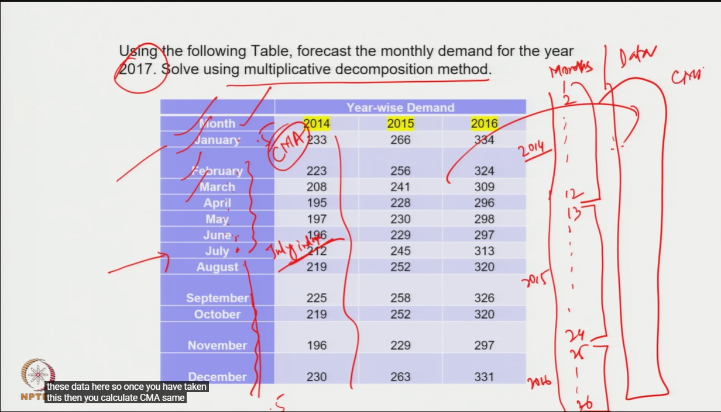

 | NOTE:
 | For Quaterly average data the CMA calculation starts from 3rd quarter
 | For monthly average data the CMA starts calculating from 7th month

